Sheet1
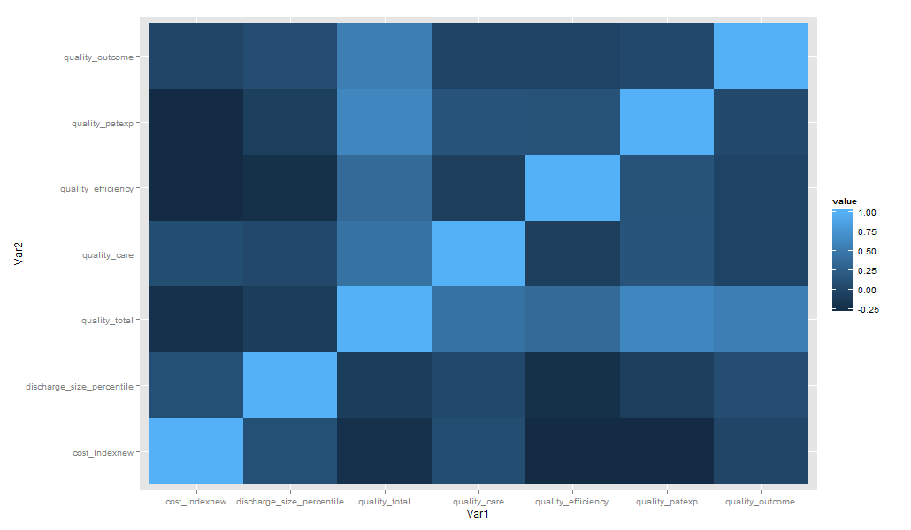
row.names | cost_indexnew | discharge_size_percentile | quality_total | quality_care | quality_efficiency | quality_patexp | quality_outcome
cost_indexnew | 1 | 0.10666361 | -0.21575212 | 0.08348281 | -0.28338138 | -0.27186061 | -0.006517599
discharge_size_percentile | 0.106663609 | 1 | -0.07293773 | 0.0336675 | -0.22803391 | -0.06406271 | 0.076682202
quality_total | -0.21575212 | -0.07293773 | 1 | 0.43659516 | 0.36343837 | 0.63486932 | 0.554826181
quality_care | 0.083482815 | 0.0336675 | 0.43659516 | 1 | -0.0710289 | 0.15158987 | -0.019646246
quality_efficiency | -0.283381381 | -0.22803391 | 0.36343837 | -0.0710289 | 1 | 0.13753897 | -0.018928815
quality_patexp | -0.271860614 | -0.06406271 | 0.63486932 | 0.15158987 | 0.13753897 | 1 | 0.037410506
quality_outcome | -0.006517599 | 0.0766822 | 0.55482618 | -0.01964625 | -0.01892881 | 0.03741051 | 1

